Payoff Ratio
Date | Adj Close | Monthly Returns | Positive Returns | Negative Returns
2021-04-01 | 74.55
2021-05-01 | 93.77 | 25.78% | 0.26 | 0.00
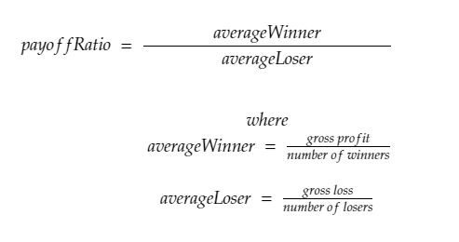
2021-06-01 | 89.98 | -4.04% | 0.00 | -0.04
2021-07-01 | 76.98 | -14.45% | 0.00 | -0.14
2021-08-01 | 82.05 | 6.59% | 0.07 | 0.00
2021-09-01 | 75.55 | -7.92% | 0.00 | -0.08
2021-10-01 | 84.02 | 11.21% | 0.11 | 0.00
2021-11-01 | 126.10 | 50.08% | 0.50 | 0.00
2021-12-01 | 103.16 | -18.19% | 0.00 | -0.18
2022-01-01 | 65.86 | -36.16% | 0.00 | -0.36
2022-02-01 | 51.57 | -21.70% | 0.00 | -0.22
2022-03-01 | 46.24 | -10.34% | 0.00 | -0.10
2022-04-01 | 30.65 | -33.72% | 0.00 | -0.34
2022-05-01 | 29.94 | -2.32% | 0.00 | -0.02
2022-06-01 | 32.86 | 9.75% | 0.10 | 0.00
2022-07-01 | 42.93 | 30.65% | 0.31 | 0.00
2022-08-01 | 39.11 | -8.90% | 0.00 | -0.09
2022-09-01 | 35.84 | -8.36% | 0.00 | -0.08
2022-10-01 | 44.74 | 24.83% | 0.25 | 0.00
2022-11-01 | 31.77 | -28.99% | 0.00 | -0.29
2022-12-01 | 28.46 | -10.42% | 0.00 | -0.10
2023-01-01 | 33.41 | 17.39% | 0.17 | 0.00

Average Gain | 0.22
Average Loss | -0.16
Payoff Ratio | 1.39

